1.MOTOR DATA
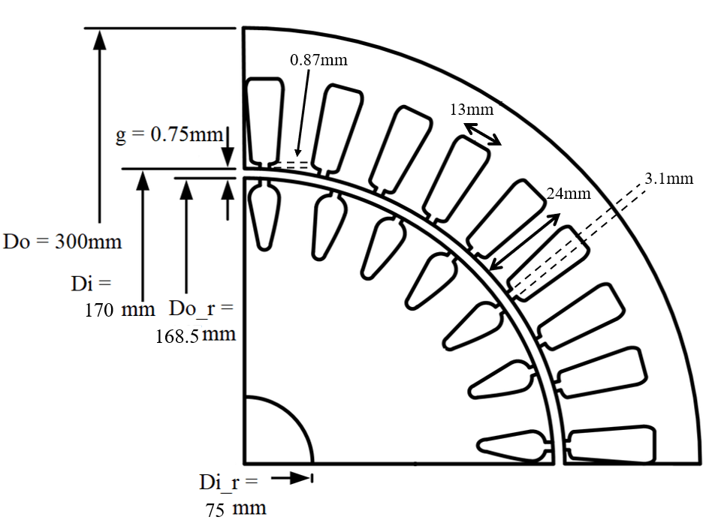
 |  |  |  |  | BH CURVE DATA PLOT EKLE
 | MOTOR DATA

 | Number of phases (q) | 3 | Connection type | Delta
 | Frequency (Hz) | 50 | Line voltage (V) | 380
 | Number of poles | 2 | Power (kW) | 37
 |  |  | Synchronous speed (rpm) | 3000
 | Frame type | 200/2
 | Lc (mm) | 250 | Rotor slot | 40
 | Air gap (cm) | 0.75 | Stator slot | 36
End Ring | h (mm) | 24.2 | Conductor per slot | 22
 | Do (mm) | 167 | Parallel path | 2
 | di (mm) | 103 | Coil pitch | 15
 | Inertia (Kgm^2) | 0.13 | Wire size (mm^2) | 5.5

Stator | Do (mm) | 300
 | Di (mm) | 170
 | Slot width (mm) | 13
 | Slot height (mm) | 24
 | Tip width (mm) | 3.1
 | Tip height (mm) | 0.87

Rotor | Do_r (mm) | 300
 | Di (mm) | 170
 | Slot width (mm) | 13
 | Slot height (mm) | 24

2.TEST DATA
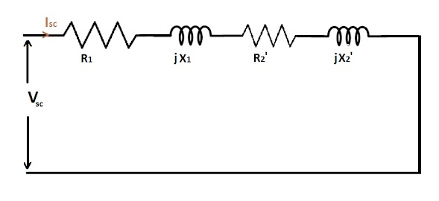
 |  |  | SCHEMATICS
 | TEST DATA

Short Circuit Test | Voltage (V) | 54
 | Current (A) | 70
 | Real Power (P) | 2862
 | Reactive Power (Q) | 5910

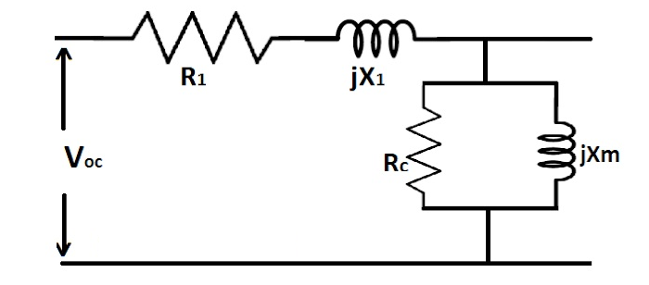

Open Circuit Test | Voltage (V) | 380
 | Current (A) | 17.5
 | Real Power (P) | 2640
 | Reactive Power (Q) | 11300
 | Resistane (Ω) | 0.102

